Ref_Data Exchange Configuration
<Reference> Introduction of Data Exchange Configuration

According to user needs, the data exchange configuration (data sending type) is selectable.
Typical cases of the Data Exchange Configuration of the Service are introduced as follows.
Thus, please refer to the following cases and enter necessary information in the sheet "Data Exchange Config Form".

 | <Contents of Introduction of Data Exchange Configuration>
 |  | 1. Explanation of Terms
 |  | Difference between Requesting (Sender) user and Requested (Addressee) user
 |  | 2. Registration of Data Exchange Configuration
 |  | 1) | Standard |  |  |  | Case 1: To allow data sending to non-registered destination
 |  | 2) | Standard (with Requested) |  |  |  | Case 2: To include Destination (registered user) in organization tree, and to allow data sending to non-registered destination
 |  | 3) | Confidential |  |  |  | Case 3: To allow data exchange within own company only
 |  | 4) | Confidential (with Requested) |  |  |  | Case 4: To allow data sending to specific company only (Not to allow active data sending to companies except own company)
 |  |  |  |  |  |  | Case 5: To allow data sending to specific company only (To allow active data sending to other ones in addition to own company)
 |  |  |  |  |  |  | Case 6: To allow data exchange in unit (organization by organization)
 |  | 5) | Customize
 |  | 3. Deletion of Data Exchange Configuration

1. Explanation of Terms
 | - | Requesting (Sender) |  |  | : | Allowed to send data actively (Targeted for charging)
 | - | Requested (Addressee) |  |  | : | Allowed to reply to data sending from Requesting (Sender) only (displayed in address book of Requesting)
 | - | Non-registered user |  |  | : | Allowed to reply to data sending from Requesting (Sender) only

 | - | Standard |  |  | : | To allow data sending to non-registered user in addition to user registered as Requested (Addressee)
 |  |  |  |  |  | (To allow receiver to reply to data only)
 | - | Confidential |  |  | : | To allow data sending to user registered as Requested (Addressee)
 |  |  |  |  |  | (To allow receiver to reply to data only)
 |  |  |  |  |  | *"Confidential" is recommended to a company where security is highly valued.
 | - | Customize |  |  | : | To allow data sending that is customized according to user needs

Difference between Requesting (Sender) user and Requested (Addressee) user

 | Screen of Requesting (Sender) user |  |  |  |  |  |  |  | Screen of Requested (Addressee) user
 | The button "New message" appears. (Active sending available) |  |  |  |  |  |  |  | The button "New message" does not appear. (Only receiving and reply available)
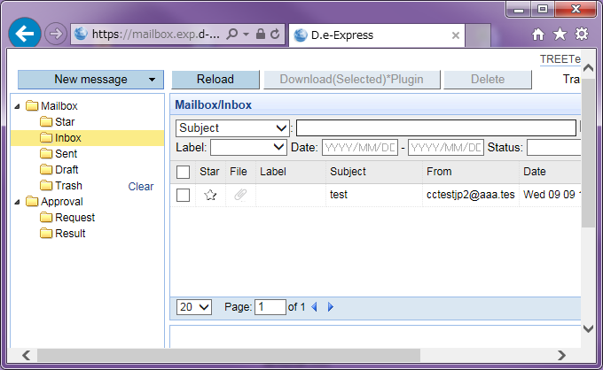
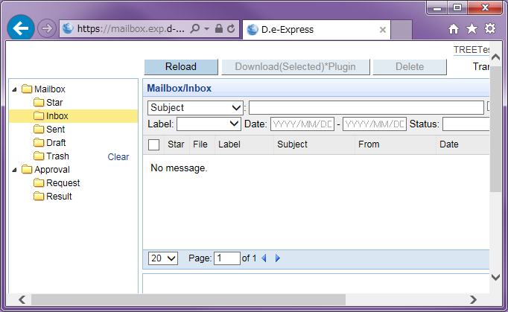

2. Registration of Data Exchange Configuration
 | There are five (5) types of the Data Exchange Configuration as follows.
 | It is possible to register a combination of 1) through 5) types.
 |  | 1) Standard
 |  | 2) Standard (with Requested)
 |  | 3) Confidential
 |  | 4) Confidential (with Requested)
 |  | 5) Customize

 | The legend of the following outline images are as follows.

 |  |  |  | --- A user inside a yellow square is Requesting (Targeted for charging).
 |  |  |  | --- Allowed to send data actively.
 |  |  |  | --- Allowed to reply only.

1) Standard
 | In case of sending data to a non-registered partner (non-registered user having no ID)

 |  | Case 1: To allow data sending to non-registered destination

Destination X (Not registered)
 |  |  |  |  |  |  |  | This type is the most typical usage pattern.
 |  |  |  |  |  |  |  | Requesting (Sender) can send data to a non-registered Destination.
 |  |  |  |  |  |  |  | The non-registered Destination can reply to data only.

Company A (Requesting)

Enter Company A if needed.
* If entering Company A here, users of Company A appears in an organization tree of Company A.
Please select "Standard" from a drop-down list (, which allows data sending to a non-registered Destination).
Please enter Company A in "Requesting".

2) Standard (with Requested)

 |  | Case 2: To include Destination (registered user) in organization tree, and to allow data sending to non-registered destination

Company B
(Requested)
 |  |  |  |  |  |  |  | An organization tree of Requesting displays Requested (able to send data thereto).
 |  |  |  |  |  |  |  | Requesting can send data to a non-registered Destination as well.
 |  |  |  |  |  |  |  | The Requested and the non-registered can reply to data only.
Company A (Requesting)
Destination X (Not registered)

Please enter Company A in "Requesting".
Please enter Company A and Company B.
(The Company A's organization tree displays users of Company A and Company B.)
Please select "Standard" from a drop-down list (, which allows data sending to a non-registered Destination).

3) Confidential
 | In case of sending data to a registered Requested (registered in "Requested") only

 |  | Case 3: To allow data exchange within own company only

Destination X
(Outside own company)
 |  |  |  |  |  |  |  | Users can exchange data within Company A only.
 |  |  |  |  |  |  |  | Data exchange with users outside Company A is not possible.

Company A (Requesting)

Please enter Company A in "Requesting".
Please select "Confidential" from a drop-down list (, which allows data sending to users of Company A only).
Please enter Company A.
(The Company A's organization tree displays users of Company A.)

4) Confidential (with Requested)

 |  | Case 4: To allow data sending to specific company only (Not to allow active data sending to companies except own company)

Company B
(Requested)
 |  |  |  |  |  |  |  | Data exchange is only allowed between Company A (Requesting) and Company B (Requested).
 |  |  |  |  |  |  |  | Data sending to a user not included in the Requested is not allowed.
 |  |  |  |  |  |  |  | Further, Company B is allowed to reply to data only.
Company A (Requesting)
 |  |  |  |  |  |  |  | *In case of allowing other company than own company to actively send data, please refer to Case 5 below.
Destination X (Not registered)
 |  |  |  |  |  |  |  | This type is recommended to a company where security is highly valued.

Please enter Company A in "Requesting".
Please enter Company A and Company B.
(The Company A's organization tree displays users of Company A and Company B.)
Please select "Confidential" from a drop-down list (, which allows data sending to users of Company A and Company B only).

 |  | Case 5: To allow data sending to specific company only (To allow active data sending to companies in addition to own company)

Company B
(Requesting)
 |  |  |  |  |  |  |  | In this case, registered companies can perform data exchange among each other as they are allowed to send data actively.
 |  |  |  |  |  |  |  | Allowed to send data actively = Requesting
 |  |  |  |  |  |  |  | Based on the above, Company B and Company C also become Targeted for charging under the contract of Company A.
Company C
(Requesting)
Company A (Requesting)

Destination X (Not registered)

Please select "Confidential" from a drop-down list (, which allows Company A to send data to Company A, Company B, and Company C only, and allows Company B and Company C to send data to Company A only).
Please enter Company A, Company B, and Company C in "Requesting".
* Targeted for charging under the contract of Company A.
Please enter Company A, Company B, and Company C.
(The Company A's organization tree displays users of Company A, Company B, and Company C. The Company B's tree and the Company C's tree display the users of Company A.)

 |  | Case 6: To allow data exchange in unit (organization by organization)

Company A
Engineering Div.
(Requesting)
Company B
Engineering Div.
(Requested)
Administration Div.
 |  |  |  |  |  |  |  | Data exchange in unit (organization by organization) is available.
 |  |  |  |  |  |  |  | *The relevant organization(s) needs to be registered in "D.e-Express Service User Registration Form".

Please enter organization info of Company B. (An organization tree of a user belonging to Engineering Division of Company A displays the users belonging to Engineering Division of Company B.)
Please select "Confidential" from a drop-down list (, which allows data sending to users of Engineering Division of Company B only).
Please enter organization info of Company A in "Requesting".

5) Customize
 | In case of setting the data exchange configuration whose sending function is different from the typical ones (Standard/Confidential)

 | The function "Customize" is available according to the user needs.
 | (Please consult about types of "Customize" separately.)

 | <Examples of "Customize" function>
 |  | - Not to allow reply from Requested,
 |  | - To allow data sending without superior's approval,
 |  | etc.

Please enter Company A in "Requesting".
Enter any in "Requested" if needed.
Please select "Customize" from a drop-down list.
Send Function ID is to be provided by TS.

3. Deletion of Data Exchange Configuration
 |  | Select "Delete" for the relevant Data Exchange Configuration.

Please select "Delete" from a pull-down list.

